TUS1-SE-HH
Yes/no | QUESTION | ANSWER |  |  |  |  | STEP
CHOOSING A PERSON TO HOLD THE DAY'S SIGNS |  |  |  |  |  |  |  | SE | The SE group is only relevant to CATI.

SE1 | Number of people in the household aged 12 and over | With 1 person aged 12 and over |  |  |  | 01 | ð | SE4
 | Programming instructions:
 | In the general household information (HL) group, identify the number of people aged 12 and over (HL6>=12) currently living in the household (HL7=1 or no information recorded in HL7). | With many people aged 12 and over (total number)

SE2 | Information for all household members aged 12 and over
 | Programming Instructions: In the General Household Information (HL) group, list the names of each member aged 12 or older (HL6>=12) currently living in the household (HL7=1 or no information recorded in HL7) in the table in order. For each person aged 12 or older (HL6>=12), copy the line number, name, gender, and age from the corresponding question in the "General Household Information (HL)" group. Children under 12 years old are not included.

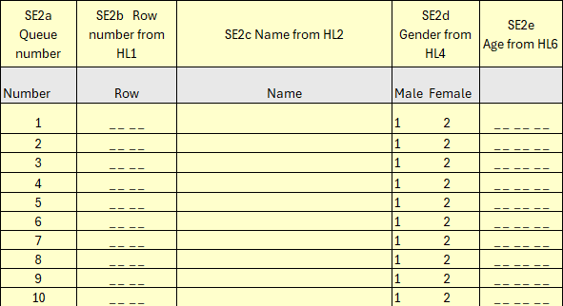

SE3 | A table for randomly selecting a person to keep a diary
 | Programming Instructions: Check the last digit of the household number [HH3] in the Address Section (HH) group. This number is the number in the row of the table below. Check the total number of people aged 12 and over from Question SE2a. This number is the number in the column of the table below. The number in the cell at the intersection of the row and column of the table is the number recorded in Question SE2a of the household member selected to keep the diary.

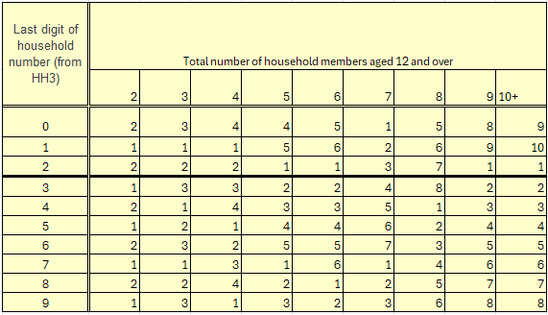

SE4 | Information about the person chosen to keep the diary | Sequence number

 | Programming instructions: | Line number
 | Write down the sequence number (SE2a), line number (SE2b), name (SE2c), and age (SE2e) of the selected person.
 |  | Name

 |  | Age
 | If there is 1 person in the household aged 12 or older, fill in the Sequence Number as "01" and enter the other information from the General Information on Household Members (HL) group by copying the line number from Question HL1, the name from HL2, and the age from HL6.

SE5 | Programming instructions: Open the diary.

SE6 | THE HOUSEHOLD SURVEY IS NOW COMPLETED, THANK YOU. WE WILL RANDOMLY SELECT ONE PERSON FROM EACH HOUSEHOLD AGE 12 AND OVER TO BE INCLUDED IN AN ADDITIONAL STUDY ON TIME USE. IF THEY ARE FULLY COVERED IN THE STUDY, WE WILL GIVE THEM A BONUS OF 5,000 TOGROVES AND 5,000 TOGROVES AS A REWARD.

SE7 | Check the age of the person chosen to keep the diary in Question SE4. | Adult aged 18 or over |  |  |  | 1
 |  | Children aged 12-17 |  |  |  | 2 | ð | SE9

SE8 | Check in Question SE4 whether the person selected to keep the diary is the person being interviewed. | Yes, this person keeps a diary. |  |  |  | 1 | ð | SE13a
 |  | No, someone else was chosen. |  |  |  | 2 | ð | SE10

SE9 | (Name of child aged 12-17 who is keeping a diary) FROM YOUR HOUSEHOLD HAS BEEN SELECTED TO BE PARTICIPATED IN A TIME USE STUDY. CAN I TAKE THE SURVEY FROM (Name of child aged 12-17 who is keeping a diary)?

 | If you agree, please clarify whether you can continue to take surveys from your child through this call.

 | 1. Approved, you can continue talking on this call → Go to Question HH21, mark 11 and start the Diary by talking to the selected person.

 | 2. Approved, cannot continue on this call → Go to Question SE17 and specify the phone number where you can talk to the child.

 | 3. No consent → Go to Question NN21 and mark 11. In Question HD12 of the diary, mark "no consent from adult" or "17".

SE10 | (Name of person keeping the diary) FROM YOUR HOUSEHOLD HAS BEEN SELECTED FOR A TIME USE STUDY. CAN I CONTINUE TO TALK TO (Name of person keeping the diary) AT THIS NUMBER?

 | 1. Yes → Go to Question HH21 and mark 11 to complete the household survey and start the Diary by talking to the selected person on this call.

 | 2. No, unable to give interview in person (person in permanent care)
 | 3. No, unable to give an interview → Go to Question HH21 and mark 11 and mark "unable to give an interview" or "14" in Question HD12 of the Diary.

 | 4. No, call your own phone → SE17

SE11 | WHO CAN I TALK TO ABOUT INCLUDING (Name of person keeping the diary) IN A TIME USE SURVEY?

 | Please note that you need to talk to someone who is constantly with and caring for the person. So, someone who is 15 years old or older.

 | Programming instructions:
 | Show the names and line numbers of household members aged 15 and over (HL6>=15). |  | name

SE12 | Is the person being interviewed for the household questionnaire the person chosen to keep the diary? | Yes |  |  |  | 1 | ð | SE13b
 |  | No |  |  |  | 2 | ð | SE17

 | Programming instructions:
 | (Name of person selected in SE11), (Name recorded in CL10) check.

SE13a | YOU HAVE BEEN SELECTED FOR THE TIME USE STUDY. WANT TO CONTINUE AND MOVE TO THE NEXT SECTION?

SE13b | I WOULD LIKE TO TAKE A TIME USE SURVEY OF (name of person keeping the diary). SHOULD YOU BOTH CONTINUE AND MOVE TO THE NEXT SECTION?

 | 1. Agreed, now proceed to get the diary information → Go to Question HH21 and mark 11 to start the Diary.

 | 2. Agreed, agreed to discuss later.
 | 3. Refused → If the purpose of the study and the incentives offered are explained again, but the participant still refuses, move on to Question NN21, mark 11, and mark "refused" or "13" in Question HD12 of the Diary.

SE14 | IF YOU CANNOT BE CONNECTED ON THIS PHONE, WHAT PHONE NUMBER SHOULD I CONTACT YOU ON? | Phone |  | [1]

 |  |  |  | [2]
 | Talk and record all the numbers.

SE15 | WHEN IS IT SUITABLE FOR YOU TO RETURN AND CONTACT?

 | Mark the possible date.

SE16 | HOW LONG IS THE CONTACT TIME? | Time |  |  | :
 | Write in 24-hour format.

SE17 | (Name of the person who will keep the diary) - WHAT NUMBER CAN I CONTACT? PLEASE GIVE ME THE PHONE NUMBER. | Phone |  | [1]

 |  |  |  | [2]

 | Talk and record all the numbers.

SE18 | WHAT TIME IS IT SUITABLE TO CONTACT (Name of the person keeping the diary)? | Time |  |  | :

 |  |  |  |  |  |  |  |  | This question is only relevant to CATI.
HH21 | Household survey results | Complete |  |  |  | 11
 |  | Insufficient |  |  |  | 12 | ð | HH23
 |  | Rejected |  |  |  | 13 | ð | HH23
 | If the conversation is not over, talk to the supervisor. | There is no household member qualified to conduct the interview.
 |  |  |  |  |  | 14 | ð | HH23
 |  | The person answering the call does not live at the selected address.
 |  |  |  |  |  | 15 | ð | HH23

 |  | The phone number(s) is/are not in service. |  |  |  | 16 | ð | HH23

 |  | A time was set for a call back for an interview, but the interview was not granted.
 |  |  |  |  |  | 17 | ð | HH23

 |  | No one answered the call(s) or the phone number(s) is/are unreachable.
 |  |  |  |  |  | 18 | ð | HH23

 |  | The selected household does not have a telephone connection. |  |  |  | 19 | ð | HH23

 |  | Other (write) |  |  |  | 96 | ð | HH23

 |  |  |  |  |  |  |  |  | This question is only relevant to CATI.
HH22 | THANK YOU FOR TAKING YOUR TIME TO TAKE PART IN THE SURVEY. PLEASE PROVIDE YOUR REGISTRATION NUMBER TO BE GIVEN 5000 BONUS UNITS.

 |  | RD

HH23 | Programming instructions: | Time |  |  | :
 | Note the time the conversation ended.

